Site Plan
Client : | Bristol City Council | Site plan for : | Site 14 - Malago Greenway Footpath (south of Bedminster Road)
Project : | 3028-Wal / Bristol CAF2 | Date : | 9-Dec-15
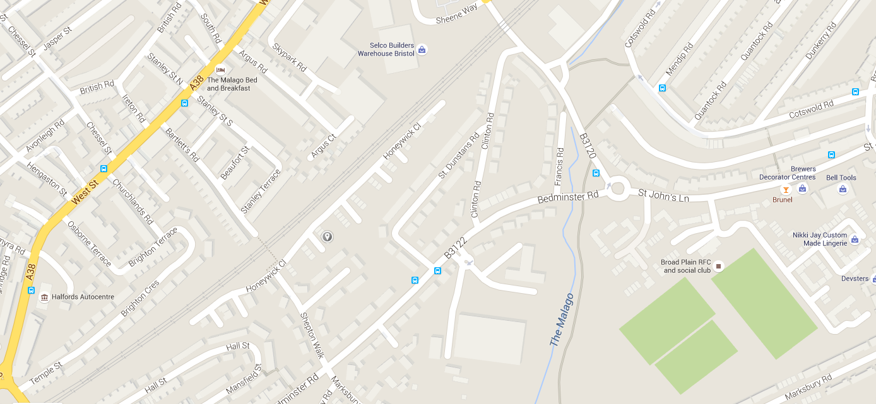
N O R T H

NB

SB

